guru
FW18- GURU AUSTRALIAN BOOTS
 |  | QTY/BOX | 1 | 2 | 3 | 3 | 2 | 1
 | REFERENCE | COLORS | 36 | 37 | 38 | 39 | 40 | 41 | Total Botas
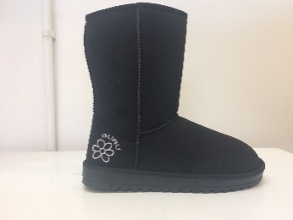 | GL179000 | BLACK | 113 | 226 | 338 | 339 | 226 | 113 | 1355
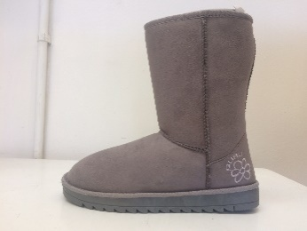 | GL179000 | GREY | 80 | 159 | 242 | 240 | 162 | 81 | 964
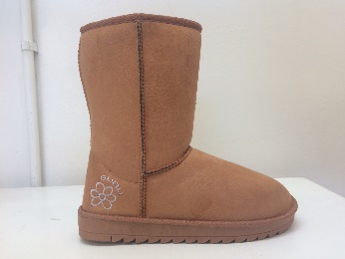 | GL179000 | HONEY (A79) | 140 | 280 | 419 | 420 | 278 | 140 | 1677
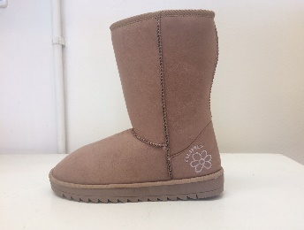 | GL179000 | SAND | 114 | 228 | 342 | 342 | 228 | 114 | 1368
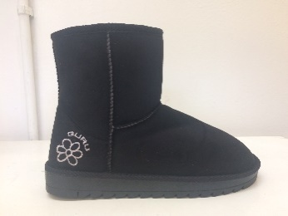 | GL179001 | BLACK | 110 | 223 | 333 | 333 | 222 | 111 | 1332
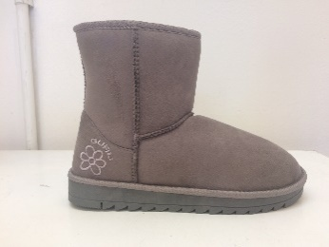 | GL179001 | GREY | 124 | 249 | 374 | 373 | 249 | 125 | 1494
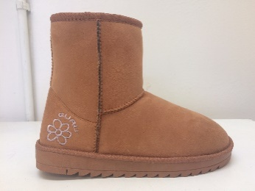 | GL179001 | HONEY (A79) | 135 | 270 | 404 | 404 | 268 | 134 | 1615
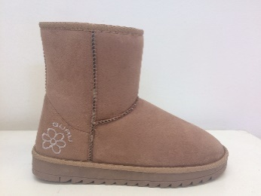 | GL179001 | SAND | 137 | 274 | 410 | 410 | 274 | 138 | 1643
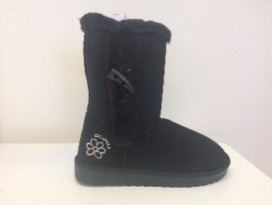 | GL179002 | BLACK | 115 | 231 | 344 | 347 | 230 | 114 | 1381
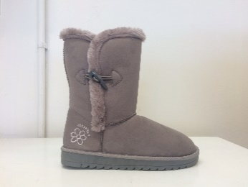 | GL179002 | GREY | 87 | 173 | 259 | 260 | 174 | 87 | 1040
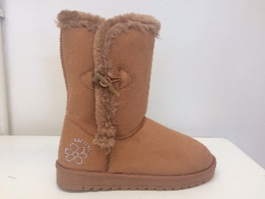 | GL179002 | HONEY (A79) | 141 | 282 | 423 | 423 | 282 | 141 | 1692
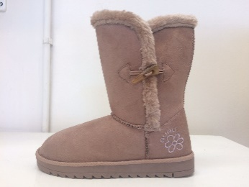 | GL179002 | SAND | 131 | 261 | 390 | 392 | 262 | 131 | 1567
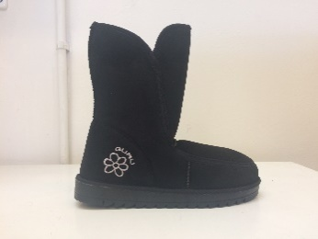 | GL179003 | BLACK | 99 | 198 | 297 | 297 | 198 | 99 | 1188
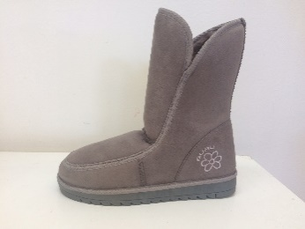 | GL179003 | GREY | 99 | 198 | 297 | 297 | 197 | 98 | 1186 | r
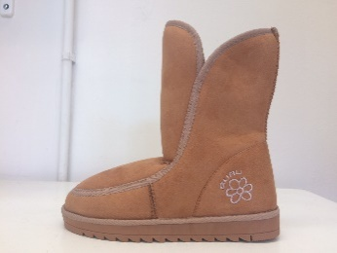 | GL179003 | HONEY (A79) | 112 | 224 | 336 | 336 | 224 | 112 | 1344
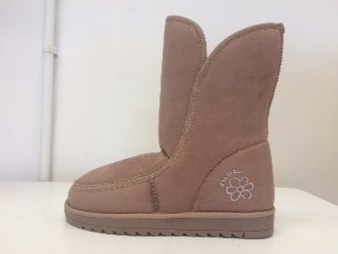 | GL179003 | SAND | 108 | 216 | 324 | 324 | 216 | 108 | 1296
 |  |  | 1845 | 3692 | 5532 | 5537 | 3690 | 1846 | 22142

